Login as Guest
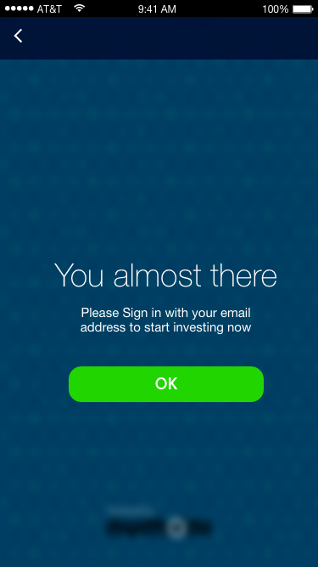
P2P Marketplace Mobile App Sequence Diagram for Login as Guest
Sequence No & Event | Action | API | Input | Output/Message
1.0 Event of Splash Screen | App Launch > Logo (Default) Images

 | Click "Login" > redirect to Login page |  |  | Refer 2.1 Event of Login

 | Click "Sign Up" > redirect to Sign Up page |  |  | Refer 3.1 Event of Sign Up

 | Click "Login as Guest" > redirect to Dashboard (Home) page |  |  | Refer 1.1 Event of Dashboard (Home)

Sequence No & Event | Action | API | Input | Output/Message
1.1 Event of Dashboard (Home) | Dashboard (Home) page display product categories in list view layout with navigation images
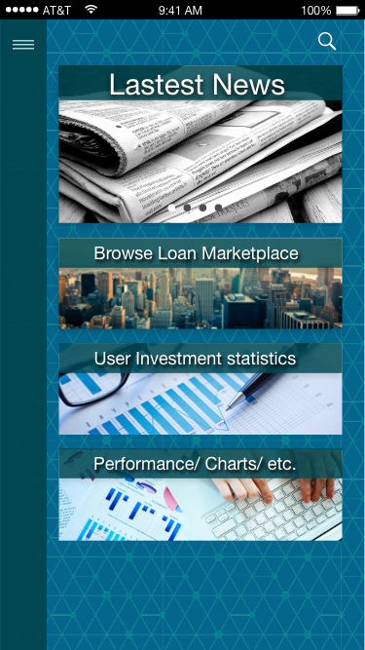

 | Click "Menu" icon > Slider Menu page |  |  | Refer 1.4 Event of Slider Menu

 | Click at "Search" icon > redirect to Search page |  |  | Refer 1.2 Event of Search

 | Click at "Latest News" |  |  | Link to full page of Information, HTML document based. Download from server

 | Click at "Browse Loan Marketplace" |  |  | Navigation Products Summary in list view
 |  |  |  | P2P Product Catalogue in Brief
 |  |  |  | List of Catalogue of Borrowers

 | Click at "User Investment Statistics" |  |  | Link to full page of Information, HTML document based. Download from server

 | Click at "Performance/Charts" |  |  | Link to full page of Information, HTML document based. Download from server

Sequence No & Event | Action | API | Input | Output/Message
1.2 Event of Search | Click "Menu" icon > Slider Menu page |  |  | Refer 1.4 Event of Slider Menu
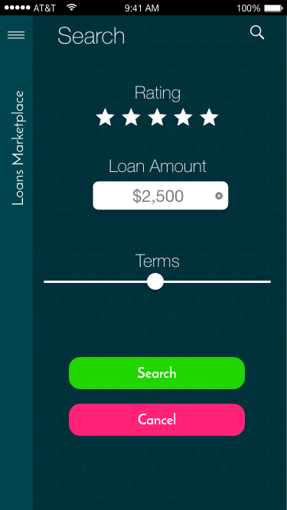

 | Click "Search" button > redirect to Loans Marketplace page |  | Rating > tick how many star | List of Brief Product Catalogues display depend on input parameter(s)
 |  |  | Loan Amount > free text
 |  |  | Terms > slider | Refer 1.3 Event of Loans Marketplace

 | Click "Cancel" button > back to Dashboard (Home) page |  |  | Refer 1.1 Event of Dashboard (Home)

Sequence No & Event | Action | API | Input | Output/Message
1.3 Event of Loans Marketplace | Click "Menu" icon > Slider Menu page |  |  | Refer 1.4 Event of Slider Menu
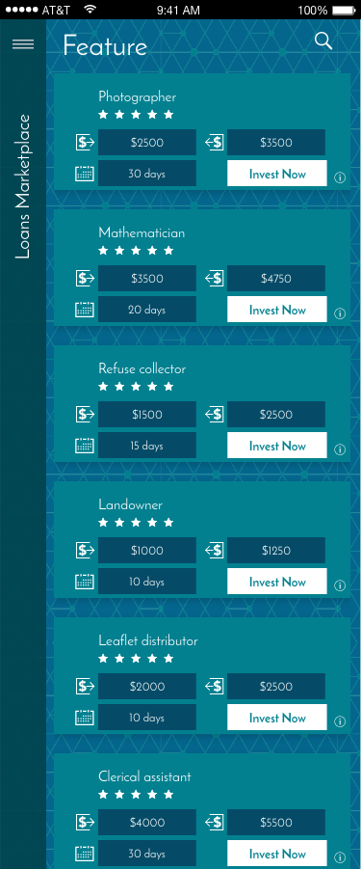

 | Click "Information" icon > redirect to Opps! Page |  |  | Refer 1.5 Event of Opps!
 |  |  |  | Opps! Please Sign in with your email address to view loan details

 | Click "Invest Now" button > redirect to You almost there page |  |  | Refer 1.6 Event of You almost there
 |  |  |  | You almost there Please Sign in with your email address to start investing now

Sequence No & Event | Action | API | Input | Output/Message
1.4 Event of Slider Menu | Click "Back" icon > back to Dashboard (Home) page |  |  | Refer 1.1 Event of Dashboard (Home)
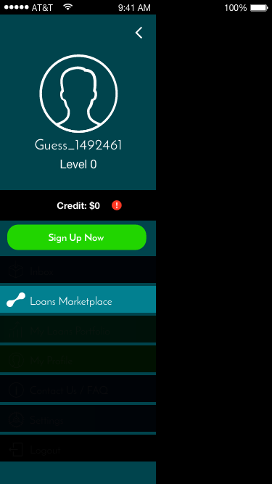

 | Click "Sign Up Now" button > redirect to Sign Up page |  |  | Refer 3.1 Event of Sign Up

 | Click "Loans Marketplace" menu > redirect to Loans Marketplace page |  |  | Refer 1.3 Event of Loans Marketplace

Sequence No & Event | Action | API | Input | Output/Message
1.5 Event of Opps! | Click "OK" button > redirect to Splash Screen |  |  | Refer 1.0 Event of Splash Screen
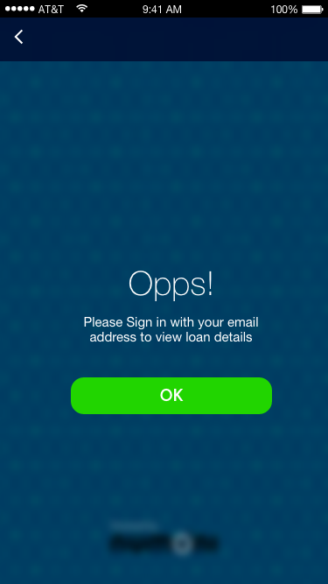

Sequence No & Event | Action | API | Input | Output/Message
1.6 Event of You almost there | Click "OK" button > redirect to Splash Screen |  |  | Refer 1.0 Event of Splash Screen

Member Login
P2P Marketplace Mobile App Sequence Diagram for Member Login
Sequence No & Event | Action | API | Input | Output/Message
2.0 Event of Splash Screen | App Launch > Logo (Default) Images

 | Click "Login" > redirect to Login page |  |  | Refer 2.1 Event of Login

 | Click "Sign Up" > redirect to Sign Up page |  |  | Refer 3.1 Event of Sign Up

 | Click "Login as Guest" > redirect to Dashboard (Home) page |  |  | Refer 1.1 Event of Dashboard (Home)

Sequence No & Event | Action | API | Input | Output/Message
2.1 Event of Login | Click "Back" icon > redirect to Splash Screen |  |  | Refer 2.0 Event of Splash Screen
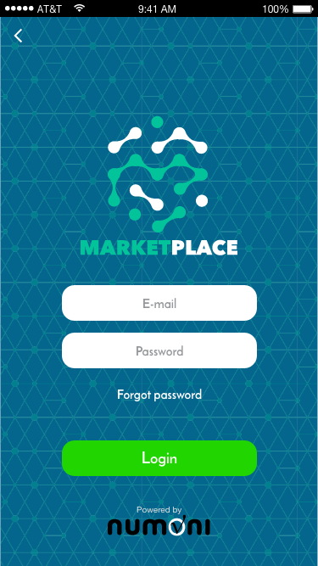
 | Click "Login" button > redirect to Dashboard (Home) page | http://192.168.100.9/NuAcaciaWebAPI/api/AcaciaUser/Login | { | Refer 2.15 Event of Dashboard (Home)
 |  |  | "Username": "xxxx@numoni.com", | Status: 200 OK
 |  |  | "Password": "valid" | a. Status = 000, Message = Successful,
 |  |  | } | Token = "Token with Sliding Expiration of 20 mins", ForceChangePassword = 0/1, InvestorId

 |  |  |  | Sample Response:
 |  |  |  | {
 |  |  |  | "InvestorId": 6,
 |  |  |  | "InvestorName": "Steven Yong",
 |  |  |  | "InvestorEmail": "kchennyl@hotmail.com",
 |  |  |  | "InvestorMobile": "012698547",
 |  |  |  | "InvestorDOB": "1978-09-18T00:00:00",
 |  |  |  | "Token": "b10e2a13-a851-4acf-86e9-53effdbfe046",
 |  |  |  | "ForceChangePassword": 0,
 |  |  |  | "Status": "000",
 |  |  |  | "Message": "Successful"
 |  |  |  | }

 | Click at "Forget password" > redirect to Reset password page |  |  | Refer 2.6 Event of Reset password

Sequence No & Event | Action | API | Input | Output/Message
2.2 Event of Invalid Login | Click "Login" button > redirect to Invalid Login! Page |  | E-mail (invalid email entered) and/or | Refer 2.3 Event of Invalid Login!
 |  |  | Password (invalid password entered) | Invalid Login! Please try again

 |  | http://192.168.100.9/NuAcaciaWebAPI/api/AcaciaUser/Login | {
 |  |  | "Username": "xxxx@numoni.com",
 |  |  | "Password": "wrong"
 |  |  | } | Status: 400 Bad Request
 |  |  |  | Status: 200 OK
 |  |  |  | b. Status = 400, Message = Failed

 |  |  |  | Sample Response:
 |  |  |  | {
 |  |  |  | "Status": "400",
 |  |  |  | "Message": "Failed"
 |  |  |  | }

Sequence No & Event | Action | API | Input | Output/Message
2.3 Event of Invalid Login! | Click "OK" button > redirect to Login page |  |  | Refer 2.1 Event of Login
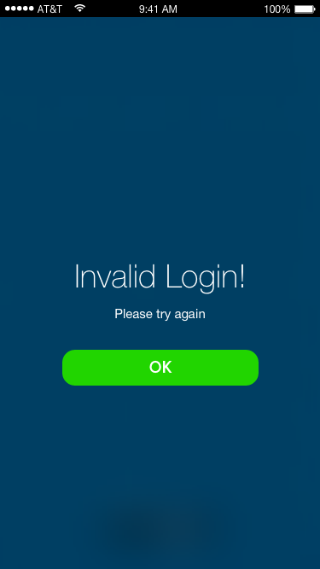

Sequence No & Event | Action | API | Input | Output/Message
2.4 Event of Login Access Blocked | Click "Login" button for 3 consecutive attempts > redirect to Login Access Blocked! page |  | E-mail (valid email entered) | Refer 2.5 Event of Login Access Blocked!
 |  |  | Password (invalid password entered) | Login Access Blocked! Your login access has been blocked due to exceeding 3 failed login attempts

 |  | http://192.168.100.9/NuAcaciaWebAPI/api/AcaciaUser/Login | {
 |  |  | "Username": "xxxx@numoni.com",
 |  |  | "Password": "wrong"
 |  |  | } | Status: 200 OK
 |  |  |  | c. Status = 300, Message = Blocked

 |  |  |  | Sample Response:
 |  |  |  | {
 |  |  |  | "Status": "300",
 |  |  |  | "Message": "Blocked"
 |  |  |  | }

Sequence No & Event | Action | API | Input | Output/Message
2.5 Event of Login Access Blocked! | Click "OK" button > redirect to Reset password page |  |  | Refer 2.6 Event of Reset password
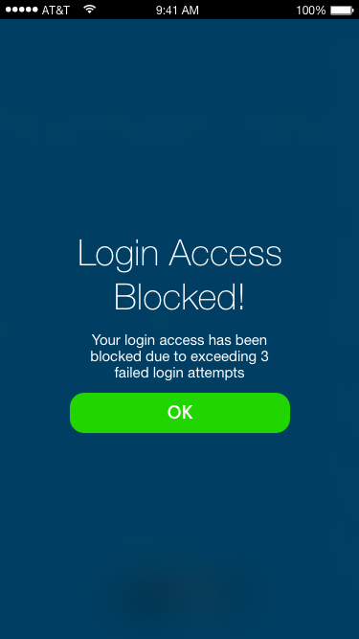

Sequence No & Event | Action | API | Input | Output/Message
2.6 Event of Reset password | Click "OK" button > redirect to Done! page |  | E-mail (valid email entered) | Refer 2.7 Event of Done!
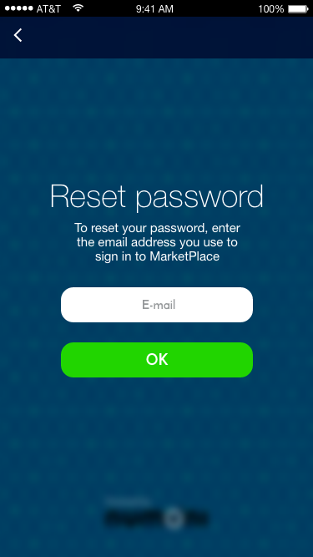
 |  | http://192.168.100.9/NuAcaciaWebAPI/api/AcaciaUser/ForgotPassword | {
 |  |  | "Username": "xxxx@numoni.com"
 |  |  | } | Status: 200 OK
 |  |  |  | a. Status = 000, Message = Successful

Sequence No & Event | Action | API | Input | Output/Message
2.7 Event of Done! | Click "OK" button > redirect to Temporary Password page |  |  | Refer 2.10 Event of Temporary Password
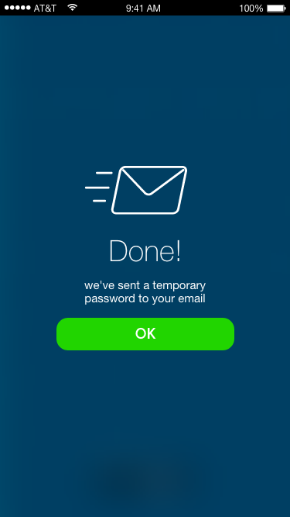

Sequence No & Event | Action | API | Input | Output/Message
2.8 Event of Invalid Email | Click "OK" button > redirect to Invalid Email! page |  | E-mail (invalid email entered) | Refer 2.9 Event of Invalid Email!
 |  |  |  | Invalid Email! Please re-enter valid email again

 |  | http://192.168.100.9/NuAcaciaWebAPI/api/AcaciaUser/ForgotPassword | {
 |  |  | "Username": "xxxx@numoni.com"
 |  |  | } | Status: 200 OK
 |  |  |  | a. Status = 400, Message = Failed

Sequence No & Event | Action | API | Input | Output/Message
2.9 Event of Invalid Email! | Click "OK" button > redirect to Reset password page |  |  | Refer 2.6 Event of Reset password
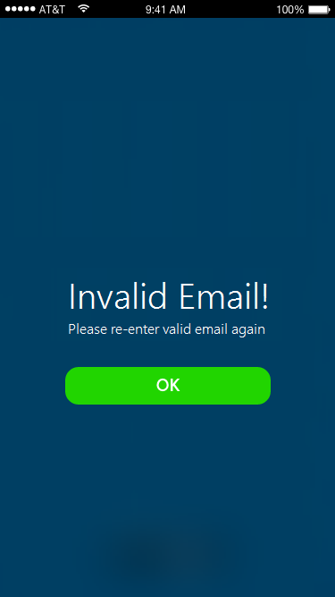

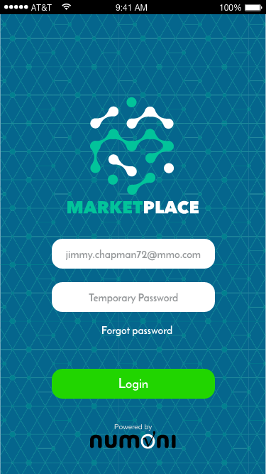
Sequence No & Event | Action | API | Input | Output/Message
2.10 Event of Temporary Password | Click "Login" button > redirect to New Password page |  | E-mail (valid email entered) | Refer 2.11 Event of New Password
 |  |  | Temporary Password

 |  | http://192.168.100.9/NuAcaciaWebAPI/api/AcaciaUser/Login | {
 |  |  | "Username": "xxxx@numoni.com", | Status: 200 OK
 |  |  | "Password": "temporary" | a. Status = 000, Message = Successful,
 |  |  | } | Token = "Token with Sliding Expiration of 20 mins", ForceChangePassword = 0/1

 |  |  |  | Sample Response:
 |  |  |  | {
 |  |  |  | "InvestorId": 6,
 |  |  |  | "InvestorName": "Steven Yong",
 |  |  |  | "InvestorEmail": "kchennyl@hotmail.com",
 |  |  |  | "InvestorMobile": "012698547",
 |  |  |  | "InvestorDOB": "1978-09-18T00:00:00",
 |  |  |  | "CreditCurrency": "USD",
 |  |  |  | "CreditBalance": 1000,
 |  |  |  | "InvestorLevel": 1,
 |  |  |  | "ProfilePhotoURL": "http://192.168.100.9/NuAcaciaRepo/image.aspx?iid=756dfdfd-3461-4fe0-8d27-a81cd1dd44b6",
 |  |  |  | "Token": "b10e2a13-a851-4acf-86e9-53effdbfe046",
 |  |  |  | "ForceChangePassword": 0,
 |  |  |  | "Status": "000",
 |  |  |  | "Message": "Successful"
 |  |  |  | }
Sequence No & Event | Action | API | Input | Output/Message
2.11 Event of New Password | Click "OK" button > redirect to Done! page |  | New Password | Refer 2.12 Event of Done!
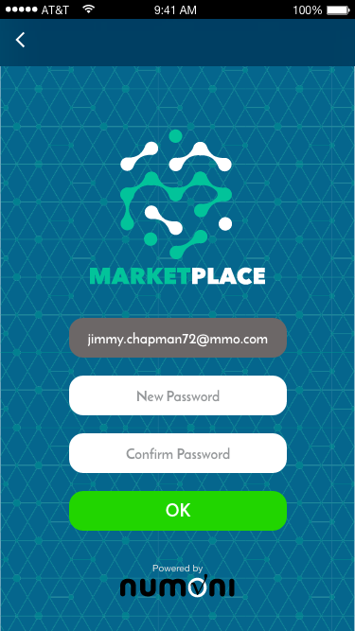
 |  |  | Confirm Password
 |  |  | (both passwords matched)

 |  | http://192.168.100.9/NuAcaciaWebAPI/api/AcaciaUser/ChangePassword | {
 |  |  | "Username": "xxxx@numoni.com",
 |  |  | "Password": "temporary"
 |  |  | "NewPassword": "new"
 |  |  | } | Status: 200 OK
 |  |  |  | a. Status = 000, Message = Successful

Password characters?

Sequence No & Event | Action | API | Input | Output/Message
2.12 Event of Done! | Click "OK" button > redirect to Dashboard (Home) page |  |  | Refer 2.15 Event of Dashboard (Home)
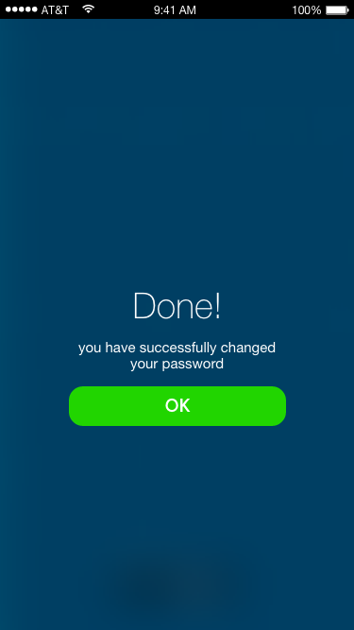

Sequence No & Event | Action | API | Input | Output/Message
2.13 Event of Password Mismatch | Click "OK" button > redirect to Done! page |  | New Password | Refer 2.14 Event of Password Mismatch!
 |  |  | Confirm Password
 |  |  | (both passwords mismatched)

Password characters?

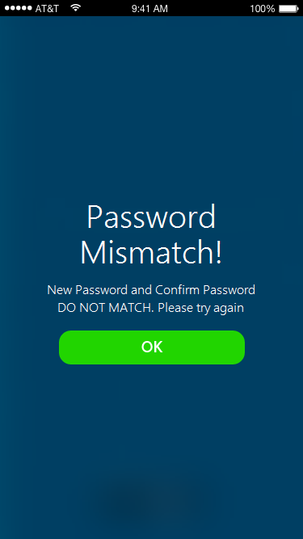
Sequence No & Event | Action | API | Input | Output/Message
2.14 Event of Password Mismatch! | Click "OK" button > redirect to New Password page |  |  | Refer 2.11 Event of New Password
 |  |  |  | Password Mismatch! New Password and Confirm Password DO NOT MATCH. Please try again

Sequence No & Event | Action | API | Input | Output/Message
2.15 Event of Dashboard (Home) | Dashboard (Home) page display product categories in list view layout with navigation images

 | Click "Menu" icon > Slider Menu page |  |  | Refer 2.19 Event of Slider Menu

 | Click at "Search" icon > redirect to Search page |  |  | Refer 2.16 Event of Search

 | Click at "Latest News" |  |  | Link to full page of Information, HTML document based. Download from server

 | Click at "Browse Loan Marketplace" |  |  | Navigation Products Summary in list view
 |  |  |  | P2P Product Catalogue in Brief
 |  |  |  | List of Catalogue of Borrowers

 | Click at "User Investment Statistics" |  |  | Link to full page of Information, HTML document based. Download from server

 | Click at "Performance/Charts" |  |  | Link to full page of Information, HTML document based. Download from server

Sequence No & Event | Action | API | Input | Output/Message
2.16 Event of Search | Click "Menu" icon > Slider Menu page |  |  | Refer 2.19 Event of Slider Menu (No Credit Available)

 |  |  |  | Refer 2.20 Event of Slider Menu (Credit Available)

 | Click "Search" button > redirect to Loans Marketplace page | http://192.168.100.9/NuAcaciaWebAPI/api/Acacia/GetProduct | Rating > tick how many star | List of Product Catalogues display depend on input parameter(s)
 |  |  | Loan Amount > free text
 |  |  | Terms > slider | Refer 2.17 Event of Loans Marketplace
 |  |  | { | { "ProductList": [ { "RowIndex": 16, "ProductId": 19, "CatalogueId": 1, "ProductName": "Keni", "ProductSubtitle": "Staf Administrasi", "ProductDesc": "He is working at PD.MiDORA and earning monthly net income of IDR 4000000.00. \r\n\t\tHe is 44 years old and living with P.", "ProductImageURL": "http://192.168.100.9/NuAcaciaRepo/image.aspx?id=a848deab-71f5-4e32-97e6-b65f7c2592cf", "ProductRank": 4, "InvestmentCurrency": "USD", "InvestmentAmount": 152, "ReturnCurrency": "USD", "ReturnAmount": 174.8, "Tenure": 30, "TenureType": "day" }, { "RowIndex": 17, "ProductId": 20, "CatalogueId": 1, "ProductName": "tia suryani basit", "ProductSubtitle": "adminstrasi", "ProductDesc": "He is working at smpn 56 jakarta selatan and earning monthly net income of IDR 2880000.00. \r\n\t\tHe is 23 years old and living with P.", "ProductImageURL": "http://192.168.100.9/NuAcaciaRepo/image.aspx?id=b2006e0f-e305-4672-b06c-3eede2bcf571", "ProductRank": 3, "InvestmentCurrency": "USD", "InvestmentAmount": 228, "ReturnCurrency": "USD", "ReturnAmount": 262.2, "Tenure": 30, "TenureType": "day" }, { "RowIndex": 18, "ProductId": 21, "CatalogueId": 1, "ProductName": "m dani maulana", "ProductSubtitle": "karyawan", "ProductDesc": "He is working at pt indolakto and earning monthly net income of IDR 2200000.00. \r\n\t\tHe is 21 years old and living with P.", "ProductImageURL": "http://192.168.100.9/NuAcaciaRepo/image.aspx?id=b22fdf11-c4e0-4dbf-9b70-a3cc473f38b3", "ProductRank": 1, "InvestmentCurrency": "USD", "InvestmentAmount": 228, "ReturnCurrency": "USD", "ReturnAmount": 262.2, "Tenure": 30, "TenureType": "day" }, { "RowIndex": 19, "ProductId": 22, "Cata
 |  | Default "CatalogueId" to 1 | "CatalogueId": "1",
 |  | Default "ProductRank" to 0 | "ProductRank": "0",
 |  |  | "InvestmentAmountFrom": "100",
 |  |  | "Tenure": "30",
 |  |  | "TenureType": "day",
 |  |  | "StartIndex": "16",
 |  |  | "RecordCount": "10"
 |  |  | }

 | Click "Cancel" button > back to Dashboard (Home) page |  |  | Refer 2.15 Event of Dashboard (Home)

Sequence No & Event | Action | API | Input | Output/Message
2.17 Event of Loans Marketplace | Click "Menu" icon > Slider Menu page |  |  | Refer 2.19 Event of Slider Menu (No Credit Available)
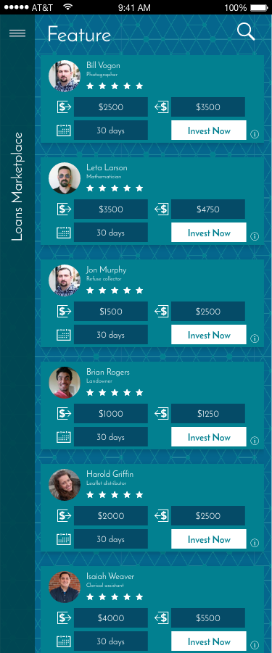
 |  |  |  | Refer 2.20 Event of Slider Menu (Credit Available)

 | Click "Information" icon > detailed loan information expanded (responsive) |  |  | Refer 2.18 Event of Detailed Loan Information Expanded

 | Click "Invest Now" button > redirect to Let's add some fund page (when no credit available) |  |  | Refer 2.22 Event of Let's Add Some Fund

 | Click "Invest Now" button > redirect to Invest Now page (when credit available) |  |  | Refer 2.27 Event of Invest Now (Credit Available)

Sequence No & Event | Action | API | Input | Output/Message
2.18 Event of Detailed Loan Information Expanded
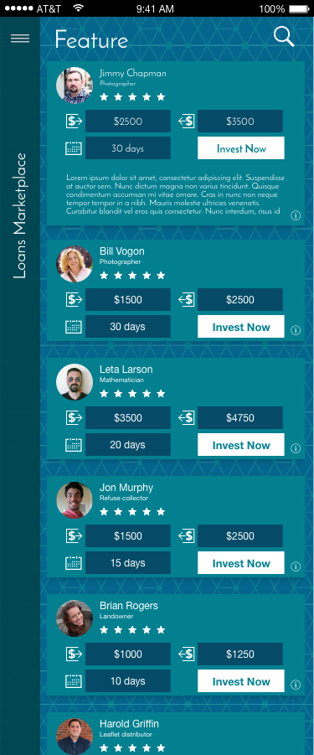

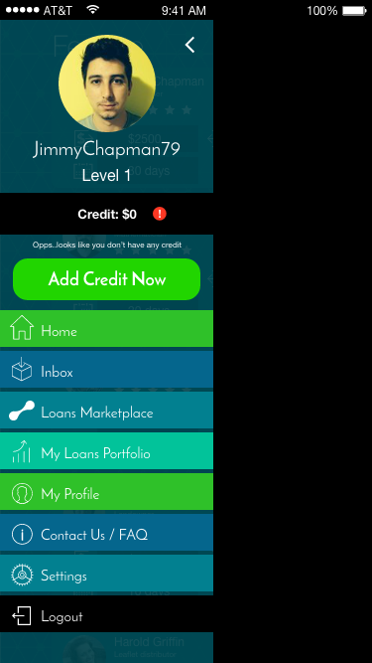
Sequence No & Event | Action | API | Input | Output/Message
2.19 Event of Slider Menu (No Credit Available) | Click "Back" icon > back to Dashboard (Home) page | http://192.168.100.9/NuAcaciaWebAPI/api/Acacia/GetUpdates |  | Refer 2.15 Event of Dashboard (Home)
 |  |  | {
 | Click "Add Credit Now" button > redirect to Add Credit page |  | "InvestorId": "6" | Refer 2.22 Event of Add Credit (No Credit Available)
 |  |  | }

 | Click "Home" menu > redirect to Dashboard (Home) page |  | Output of GetUpdates: | Refer 2.15 Event of Dashboard (Home)
 |  |  | {
 | Click "Inbox" menu > redirect to Inbox page |  | "InvestorId": 6, | Refer 2.29 Event of Inbox
 |  |  | "CreditCurrency": "USD",
 | Click "Loans Marketplace" menu > redirect to Loans Marketplace page |  | "CreditBalance": 494.64, | Refer 2.17 Event of Loans Marketplace
 |  |  | "IntervalMillisecond": 300000,
 | Click "My Loans Portfolio" menu > redirect to My Loans Portfolio page |  | "NoOfNewMessage": 1, | Refer 2.30 Event of My Loans Portfolio
 |  |  | "Status": "000",
 | Click "My Profile" menu > redirect to My Profile page |  | "Message": "Successful" | Refer 2.31 Event of My Profile
 |  |  | }
 | Click "Contact Us / FAQ" menu > redirect to Contact Us / FAQ page |  |  | Refer 2.39 Event of Contact Us / FAQ

 | Click "Settings" menu > redirect to Settings page |  |  | Refer 2.40 Event of Settings

 | Click "Logout" > Exit & Close App | http://192.168.100.9/NuAcaciaWebAPI/api/AcaciaUser/Logout | {
 |  |  | "Username": "bwyyoung@gmail.com" | {
 |  |  | } | "Status": "000",
 |  |  |  | "Message": "Successful"
 |  |  |  | }
Sequence No & Event | Action | API | Input | Output/Message
2.20 Event of Slider Menu (Credit Available) | Click "Back" icon > back to Dashboard (Home) page |  |  | Refer 2.15 Event of Dashboard (Home)
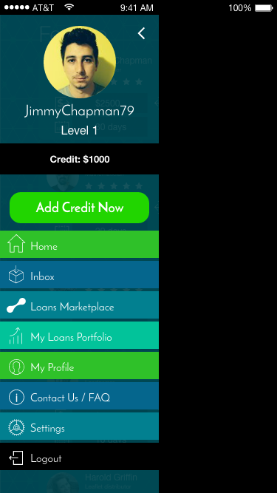
 | Click "Add Credit Now" button > redirect to Add Credit page |  |  | Refer 2.24 Event of Add Credit (Credit Available)

 | Click "Home" menu > redirect to Dashboard (Home) page |  |  | Refer 2.15 Event of Dashboard (Home)

 | Click "Inbox" menu > redirect to Inbox page |  |  | Refer 2.29 Event of Inbox

 | Click "Loans Marketplace" menu > redirect to Loans Marketplace page |  |  | Refer 2.17 Event of Loans Marketplace

 | Click "My Loans Portfolio" menu > redirect to My Loans Portfolio page |  |  | Refer 2.30 Event of My Loans Portfolio

 | Click "My Profile" menu > redirect to My Profile page |  |  | Refer 2.31 Event of My Profile

 | Click "Contact Us / FAQ" menu > redirect to Contact Us / FAQ page |  |  | Refer 2.39 Event of Contact Us / FAQ

 | Click "Settings" menu > redirect to Settings page |  |  | Refer 2.40 Event of Settings

 | Click "Logout" > Exit & Close App

Sequence No & Event | Action | API | Input | Output/Message
2.21 Event of Let's Add Some Fund | Click "Back" icon > back to Dashboard (Home) page |  |  | Refer 2.15 Event of Dashboard (Home)
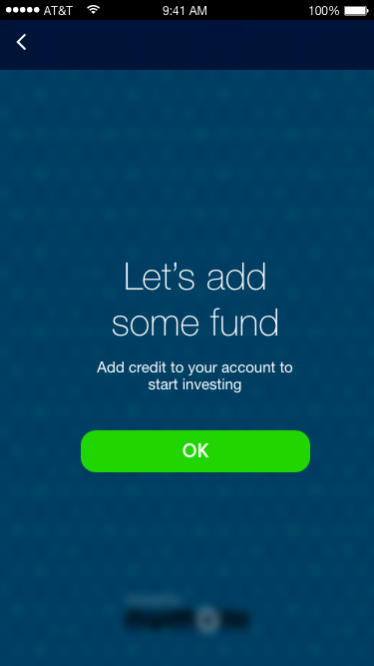

 | Click "OK" icon > redirect to Event of Add Credit (When No Credit Available) page |  |  | Refer 2.22 Event of Add Credit (When No Credit Available)

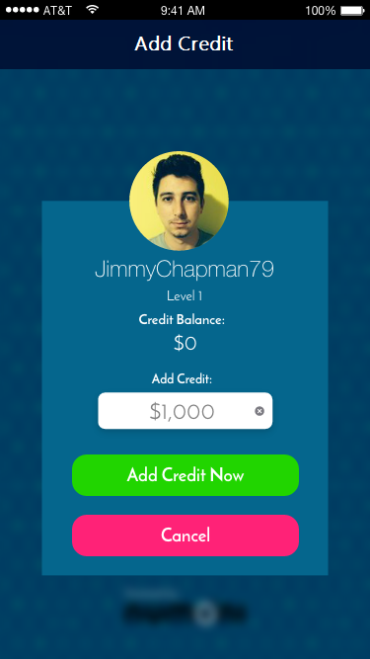
Sequence No & Event | Action | API | Input | Output/Message
2.22 Event of Add Credit (When No Credit Available) | Click "Add Credit Now" button > redirect to Payment Gateway (to be determined) | http://192.168.100.9/NuAcaciaWebAPI/api/Acacia/AddInvestorCredit | Add Credit (Input Amount) | Refer Payment Gateway (to be determined)
 |  |  | {
 |  |  | "InvestorId": "6",
 |  |  | "TransactionReferenceNo": "20160722105458987",
 | Click "Cancel" button > back to Dashboard (Home) page |  | "CreditCurrency": "USD", | Refer 2.15 Event of Dashboard (Home)
 |  |  | "CreditAmount": "4500.00"
 |  |  | }

Sequence No & Event | Action | API | Input | Output/Message
2.23 Event of Credit Added (When No Credit Available) | Click "OK" button > redirect to Loans Marketplace page

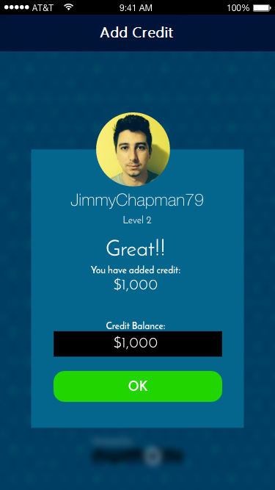


Sequence No & Event | Action | API | Input | Output/Message
2.24 Event of Add Credit (Credit Available) | Click "Add Credit Now" button > redirect to Payment Gateway (to be determined) | http://192.168.100.9/NuAcaciaWebAPI/api/Acacia/AddInvestorCredit | { | Refer Payment Gateway (to be determined)
 |  |  | "InvestorId": "6",
 |  |  | "TransactionReferenceNo": "20160722105458987",
 | *Current scope excludes Payment Gateway and credit adding will be approved by admin manually |  | "CreditCurrency": "USD",
 |  |  | "CreditAmount": "4500.00"
 |  |  | } | Status: 200 OK
 |  |  |  | a. Status = 000, Message = Successful
 |  |  |  | b. Status = 400, Message = Failed

 | Click "Cancel" button > back to Dashboard (Home) page |  |  | Refer 2.15 Event of Dashboard (Home)

Sequence No & Event | Action | API | Input | Output/Message
2.25 Event of Credit Added (Credit Available) | Click "OK" button > redirect to Loans Marketplace page |  |  | Refer 2.17 Event of Loans Marketplace


Sequence No & Event | Action | API | Input | Output/Message
2.26 Event of Invest Now (Credit Available) | Click "OK" button > redirect to Loans Marketplace page |  |  | Refer 2.17 Event of Loans Marketplace
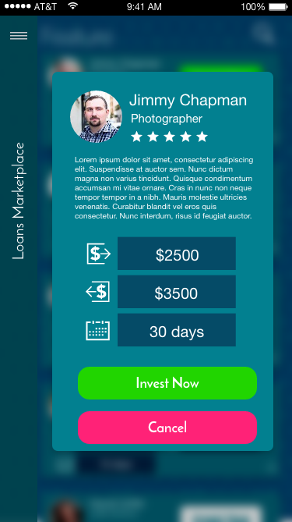

Sequence No & Event | Action | API | Input | Output/Message
2.27 Event of Invest Now (Credit Available) | Click "Invest Now" button > redirect to Great!! page |  | Input $ Amount | Refer 2.28 Event of Great!!
 |  | http://localhost:56069/api/Acacia/InvestProduct |  | Great!! Invest added to your portfolio
 |  |  | {
 |  |  | "InvestorId": "5",
 | Click "Cancel" button > back to Loans Marketplace page |  | "InvestmentCurrency": "USD", | Refer 2.17 Event of Loans Marketplace
 |  |  | "InvestmentAmount": "205.36",
 |  |  | "ReturnCurrency": "USD",
 |  |  | "ReturnAmount": "223.25",
 |  |  | "Tenure": "20",
 |  |  | "TenureType": "day",
 |  |  | "ProductId": "5"
 |  |  | } | Status: 200 OK
 |  |  |  | a. Status = 000, Message = Successful
 |  |  |  | b. Status = 100, Message = Insufficient Credit
 |  |  |  | c. Status = 400, Message = Failed
 |  |  |  | With additional data as following:
 |  |  |  | {
 |  |  |  | "InvestorId": 5,
 |  |  |  | "CreditCurrency": "USD",
 |  |  |  | "CreditBalance": 4294.64,
 |  |  |  | "Status": "000",
 |  |  |  | "Message": "Successful"
 |  |  |  | }

Sequence No & Event | Action | API | Input | Output/Message
2.28 Event of Great!! | Click "OK" button > back to Loans Marketplace page |  |  | Refer 2.17 Event of Loans Marketplace
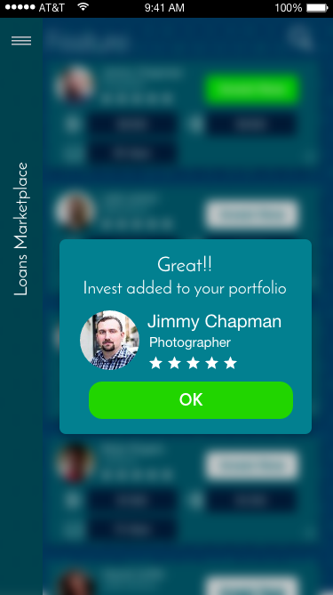

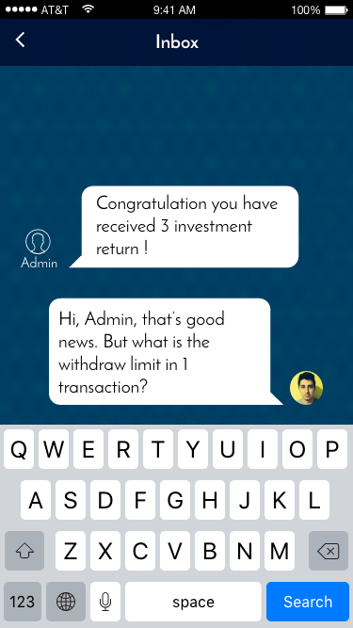
Sequence No & Event | Action | API | Input | Output/Message
2.29 Event of Inbox |  | http://192.168.100.9/NuAcaciaWebAPI/api/Acacia/GetMessage | { | {
 |  |  | "InvestorId": 6, | "InvestorId": 6,
 |  |  | "LastMessageId": 1 | "MessageList": [
 |  | *This API will return latest 20 messages per call based on the latest message Id | } | {
 |  |  |  | "MessageId": 1,
 |  |  |  | "Message": "Hi, may I know if my transfer has been verified?",
 |  |  |  | "Source": "CLIENT",
 |  |  |  | "IsRead": 0,
 |  |  |  | "Timestamp": "2016-08-16T11:05:55.453"
 |  |  |  | }
 |  |  |  | ],
 |  |  |  | "Status": "000",
 |  |  |  | "Message": "Successful"
 |  |  |  | }
 |  |  |  | *Source: "CLIENT" means the msg is sent from investor app while "SERVER" represents response from NuAcacia officer through web portal

 |  | http://192.168.100.9/NuAcaciaWebAPI/api/Acacia/SendMessage | {
 |  |  | "InvestorId": 6,
 |  |  | "NewMessage": "Hi, may I know if my transfer has been verified?"
 |  |  | } | {
 |  |  |  | "Status": "000",
 |  |  |  | "Message": "Successful"
 |  |  |  | }
Sequence No & Event | Action | API | Input | Output/Message
2.30 Event of My Loans Portfolio

Sequence No & Event | Action | API | Input | Output/Message
2.31 Event of My Profile | Click "Update Address" button > redirect to Update Address page |  |  | Refer 2.32 Event of Update Address
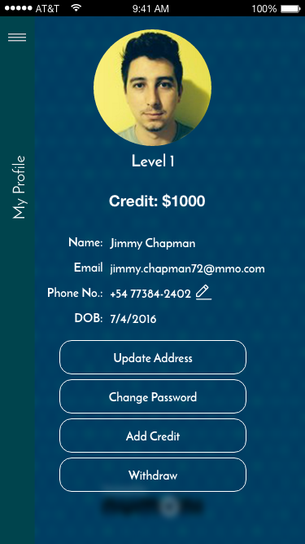

 | Click "Change Password" button > redirect to Change Password page |  |  | Refer 2.34 Event of Change Password

 | Click "Add Credit" button > redirect to Add Credit page |  |  | Refer 2.22 Event of Add Credit (When No Credit Available)

 | Click "Withdraw" button > redirect to Withdraw page |  |  | Refer 2.36 Event of Withdraw

 | Choose Profile Photo from Gallery or Take Photo | http://192.168.100.9/NuAcaciaWebAPI/api/Acacia/UploadFile | var form = new FormData();
 |  |  | form.append("UploadFile", {"0":{***file buffer here***}});
 |  |  | form.append("UploadType", "PROFILE_PHOTO");
 |  |  | form.append("InvestorId", "12"); | {
 |  |  |  | "ProfilePhotoURL": "http://192.168.100.9/NuAcaciaRepo/image.aspx?iid=5df79a85-e2d0-45ec-b3aa-ca25d0b310ba",
 |  |  |  | "Status": "000",
 |  |  |  | "Message": "Successful"
 |  |  |  | }
Sequence No & Event | Action | API | Input | Output/Message
2.32 Event of Update Address | Click "Update Address" button > redirect to Done! page | http://192.168.100.9/NuAcaciaWebAPI/api/Acacia/GetInvestorAddress?investorId=6 | Home Address No (Free Text) | Sample response of GetInvestorAddress:
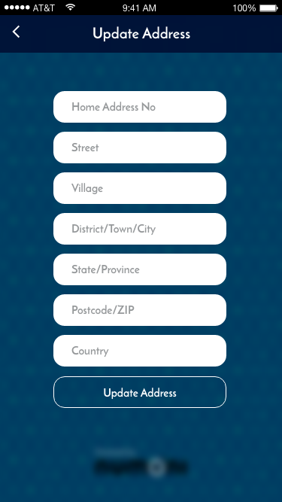
 |  |  | Street (Free Text) | [
 |  |  | Village (Free Text) | {
 |  |  | District/Town/City (Free Text) | "InvestorId": 6,
 |  |  | State/Province (Free Text) | "AddressLine1": "Lot 10",
 |  |  | Postcode/ZIP (Free Text) | "Street": "Bukit Bintang Street",
 |  | http://192.168.100.9/NuAcaciaWebAPI/api/Acacia/UpdateInvestorAddress | Country (Auto Complete) | "Village": "Golden Triangle City",
 |  |  |  | "City": "KL City",
 |  |  | { | "ProvinceId": 0,
 |  |  | "InvestorId": "6", | "Province": "Kuala Lumpur",
 |  | CountryCodeA2 options: | "AddressLine1": "Lot 10", | "PostalCode": "27800",
 |  | ISO 3166-1 Alpha-2 Country Code, e.g. "MY" - Malaysia, "SG" - Singapore | "Street": "Bukit Bintang Street", | "CountryCodeA2": "MY",
 |  |  | "Village": "Golden Triangle Village", | "Country": "Malaysia"
 |  |  | "City": "KL City", | }
 |  |  | "Province": "W.P. Kuala Lumpur", | ]
 |  |  | "PostalCode": "43712",
 |  |  | "CountryCodeA2": "MY"
 |  |  | } | Status: 200 OK
 |  |  |  | a. Status = 000, Message = Successful

 |  |  |  | Refer 2.33 Done!
 |  |  |  | Done! You have successfully updated your address

Sequence No & Event | Action | API | Input | Output/Message
2.33 Event of Done! | Click "OK" button > back to My Profile page |  |  | Refer 2.31 Event of My Profile
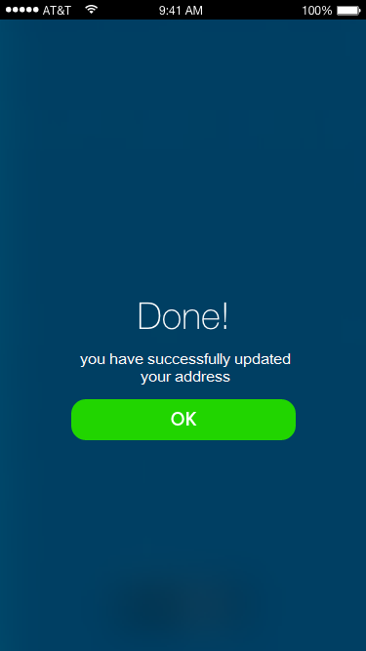

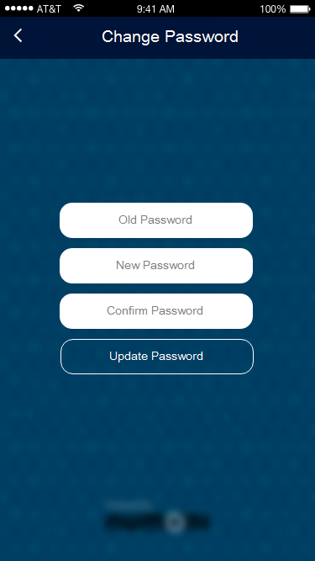
Sequence No & Event | Action | API | Input | Output/Message
2.34 Event of Change Password | Click "Update Password" button > redirect to Done! page |  | Old Password | Refer 2.35 Event of Done!
 |  |  | New Password | Done! you have successfully updated your password
 |  |  | Confirm Password

Sequence No & Event | Action | API | Input | Output/Message
2.35 Event of Done! | Click "OK" button > back to My Profile page |  |  | Refer 2.31 Event of My Profile
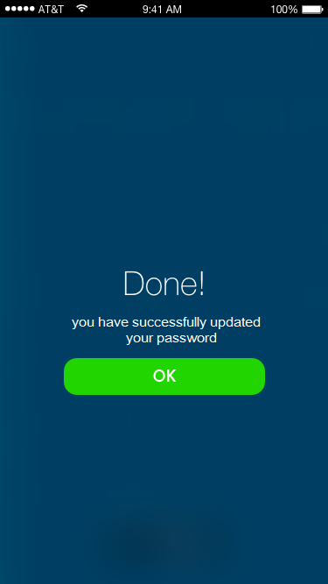

Sequence No & Event | Action | API | Input | Output/Message
2.36 Event of Withdraw | Click "Withdraw" button > redirect to Bank Details page |  | Withdraw Amount | Refer 2.37 Event of Bank Details
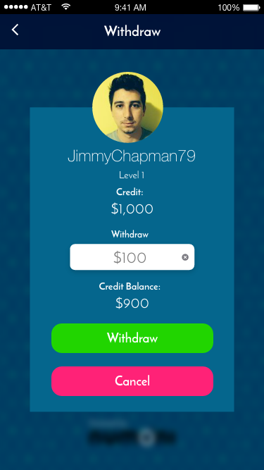

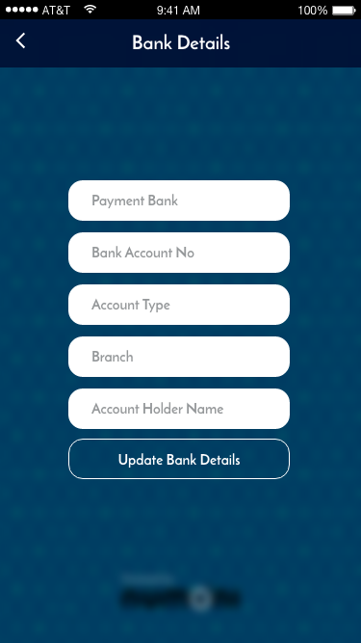
Sequence No & Event | Action | API | Input | Output/Message
2.37 Event of Bank Details | Click "Update Bank Details" button > redirect to Done! page | http://192.168.100.9/NuAcaciaWebAPI/api/Acacia/GetInvestorBank | { | Sample response of GetInvestorBank:
 |  |  | "InvestorId": "6", | [
 |  |  | } | {
 |  |  |  | "InvestorId": 6,
 |  |  | Payment Bank (Free Text) | "BankName": "Citibank",
 |  |  | Bank Account No (Free Text) | "BankBranch": "Ampang Kuala Lumpur",
 |  |  | Account Type (Auto Complete) | "AccountNumber": "161620205050",
 |  |  | Branch (Free Text) | "AccountTypeCode": "SA",
 |  |  | Account Holder Name (Free Text) | "AccountHolderName": "Steven Yong"
 |  | http://192.168.100.9/NuAcaciaWebAPI/api/Acacia/UpdateInvestorBank | { | }
 |  |  | "InvestorId": "6", | ]
 |  |  | "BankName": "Citibank",
 |  | AccountTypeCode options:- | "BankBranch": "Ampang Kuala Lumpur",
 |  | 1. "SA" (Savings Account) | "AccountNumber": "161620205050",
 |  | 2. "CA" (Current Account) | "AccountTypeCode": "SA",
 |  |  | "AccountHolderName": "Steven Yong"
 |  |  | } | Status: 200 OK
 |  |  |  | a. Status = 000, Message = Successful

 |  |  |  | Refer 2.38 Event of Done!
 |  |  |  | Done! you have successfully updated your bank details and your withdrawal request will be processed within 7 business days

Sequence No & Event | Action | API | Input | Output/Message
2.38 Event of Done! | Click "OK" button > back to My Profile page |  |  | Refer 2.31 Even of My Profile
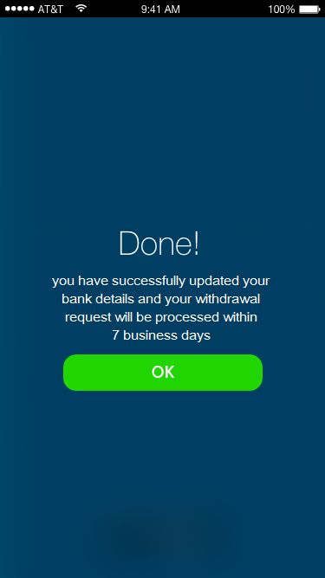

2.39 Event of Contact Us / FAQ

2.40 Event of Settings

New Sign Up
P2P Marketplace Mobile App Sequence Diagram for New Sign Up
Sequence No & Event | Action | API | Input | Output/Message
3.0 Event of Splash Screen | App Launch > Logo (Default) Images

 | Click "Login" > redirect to Login page |  |  | Refer 2.1 Event of Login

 | Click "Sign Up" > redirect to Sign Up page |  |  | Refer 3.1 Event of Sign Up

 | Click "Login as Guest" > redirect to Dashboard (Home) page |  |  | Refer 1.1 Event of Dashboard (Home)

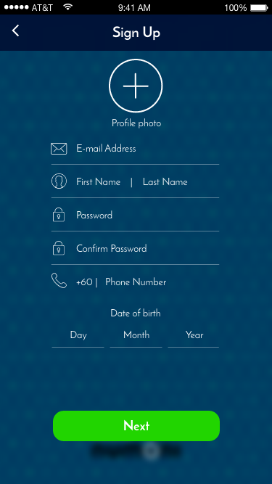
Sequence No & Event | Action | API | Input | Output/Message
3.1 Event of Sign Up (before fill up) | Click "Plus" icon > select photo from mobile phone gallery |  | Add Profile Photo
 |  |  | E-mail Address
 |  |  | Name (First Name | Last Name)
 |  |  | Password
 |  |  | Confirm Password
 |  |  | Mobile No
 |  |  | Date of birth
 | Click at "Next" button > redirect to Sign Up (after filled up preview)

Password characters?
 |  | http://192.168.100.9/NuAcaciaWebAPI/api/AcaciaUser/SignUp | { "Username": "xxxx@numoni.com", "FirstName": "Henny", "LastName": "Lee", "MobileNo": "0123456789", "Password": "123456", "DateOfBirth": "1983-06-14", "ApplicationGroup": "P2P" } var form = new FormData(); form.append("Username", "leechongwei@badminton123.com"); form.append("Password", "123456"); form.append("MobileNo", "0123456789"); form.append("LastName", "Lee"); form.append("FirstName", "Chong Wei"); form.append("DateOfBirth", "1983-09-01"); form.append("ApplicationGroup", "P2P"); form.append("UploadFile", {"0":{}}); form.append("UploadType", "PROFILE_PHOTO"); | Status: 400 Bad Request
 |  |  |  | Status: 200 OK
 |  |  |  | a. Status = 000, Message = Successful
 |  |  |  | b. Status = 400, Message = Failed
 |  |  |  | a. Status = 300, Message = Duplicated Username

 |  |  |  | Refer 3.2 Event of Sign Up (after filled up preview)

 |  | ajax_call: {"async":true,"crossDomain":true,"url":"http://192.168.100.9/NuAcaciaWebAPI/api/AcaciaUser/SignUp","method":"POST","content-type":"application/x-www-form-urlencoded","data":{"Username":"bwyyoung@gmail.com","FirstName":"Brian","LastName":"Young","MobileNo":"123456","Password":"123456","DateOfBirth":"2-Aug-1998"},"timeout":20000} – undefined
 |  | http://192.168.100.9/NuAcaciaWebAPI/api/AcaciaUser/SignUp2

Sequence No & Event | Action | API | Input | Output/Message
3.2 Event of Sign Up (after filled up preview) | Click "Done" button > redirect to Done page |  |  | Refer 3.3 Event of Done!
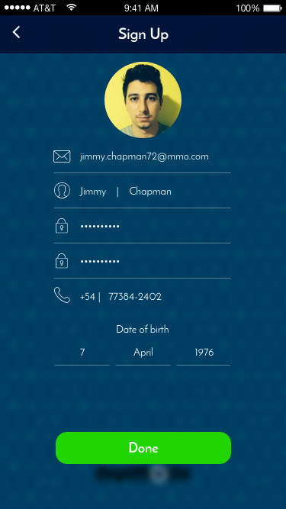

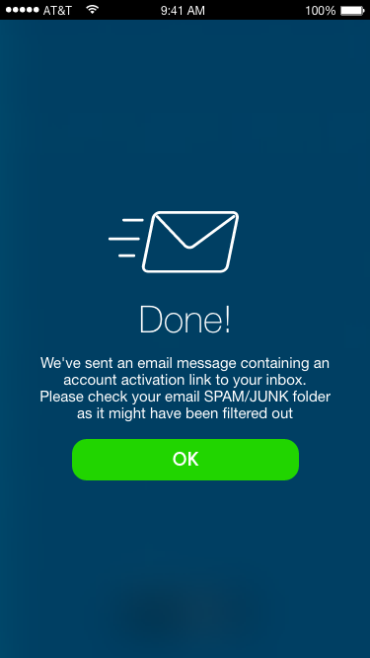
Sequence No & Event | Action | API | Input | Output/Message
3.3 Event of Done! | Click "OK" button > redirect to Splash Screen |  |  | Refer 2.0 Event of Splash Screen
 |  |  |  | Done! We've sent an email message containing an account activation link to your inbox. Please check your email SPAM/JUNK folder as it might have been filtered out

Email Subject: P2P Marketplace Sign Up Activation
Welcome to P2P Marketplace App
You have successfully created a P2P Marketplace login account for xxxxxxx@xxxxx.com.
Please verify your email address and activate your account by clicking the link below within 48 hours:
Verify & Activate Now!
If the link above doesn't work, copy and paste the link into a new web browser. Please go to NuKash mobile app Login page to reset the activation link by enter your email and password.
P2P Marketplace Support

Success!
Your login account has been activated successfully.

